Team Models
Team Models

Research shows limited commonality in ambulance volunteer staffing structures other than the following models:

 | Separate teams | Central volunteer services team | Hybrid model

 | Volunteer activities separately managed, in separate departments, with limited or no inter-departmental working. | All volunteer activity managed by one team. | Volunteer activities in separate departments but with a central team to provide volunteering leadership and support inter-departmental working.
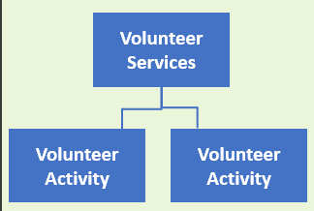

Questions to consider |  |  | Insert own notes:
1. What is our team model for volunteering?

2. Does our team model enable the development and sustainability of effective and impactful voluntary programmes across our organisation?

